F01_Ref
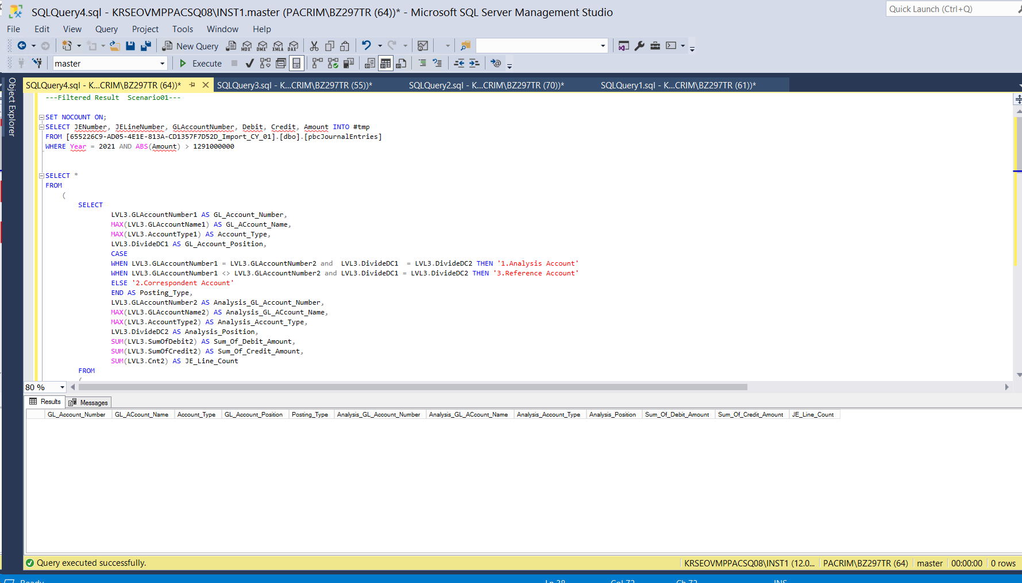
※ 특정한 주계정(매출)과 특정한 상대계정(매출채권)이 아닌 전표리스트를 추출한 결과 0건 추출됨

F02_Ref
매출채권이 감소할 때 상대계정 List입니다
해당 결과를 참조하시어 비경상적으로 판단되는 상대계정을 우측 O열에 Y로 표기해주세요
비경상적 상대계정 선택시, N열의 LineCount(추출결과)를 고려해주세요
많은 추출결과가 예상 될 경우, 추가 조건도 함께 제시 해주시기 바랍니다
주계정 |  |  |  |  | 상대계정
GL_Account_Number | GL_ACcount_Name | Account_Type | Account_Class | GL_Account_Position | Posting_Type | Analysis_GL_Account_Number | Analysis_GL_ACcount_Name | Analysis_Account_Type | Analysis_Account_Class | Analysis_Position | Sum_Of_Debit_Amount | Sum_Of_Credit_Amount | JE_Line_Count | 비경상적상대계정 선택
211303 | 매출채권_초고속인터넷 | 1_Asset | 1103_매출채권및기타채권 | Credit | 2.Correspondent Account | 311901 | 대손충당금_매출채권 | 1_Asset | 1103_매출채권및기타채권 | Debit | 29310723455 | 0 | 1
211306 | 매출채권_양도 초고속인터넷 | 1_Asset | 1103_매출채권및기타채권 | Credit | 2.Correspondent Account | 311901 | 대손충당금_매출채권 | 1_Asset | 1103_매출채권및기타채권 | Debit | 29310723455 | 0 | 1
211307 | 매출채권_가매출채권 | 1_Asset | 1103_매출채권및기타채권 | Credit | 2.Correspondent Account | 711105 | 매출액_가매출 | 4_Revenue | 4106_기타수익 | Debit | 21470674275 | 0 | 12

JEA_Query
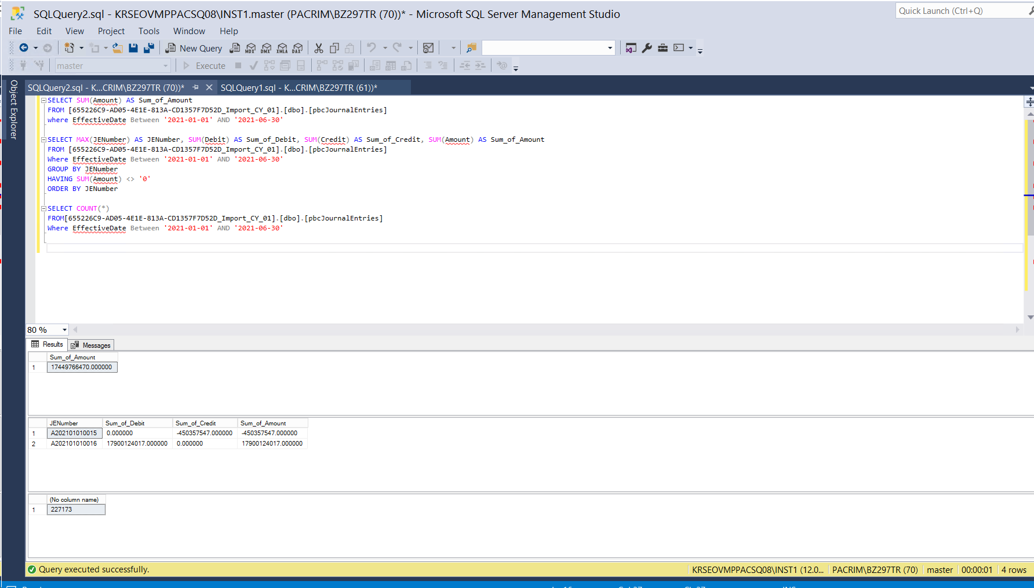
/********************************************************************************
감사인제시 분석 시나리오 -- DreamLine

********************************************************************************/
-- Project ID 확인
 | SELECT
 | Project_ID
 | , ProjectName
 | , analysisDate
 | , YearEndDate
 | , EngagementCode
 | , EngagementName
 | , ClientCode,ClientName
 | FROM [DataAnalyticsRepository].[dbo].[Projects]
 | where 1=1
 | and DeletedBy is null
 | and ProjectName like '%Dream%' -- 프로젝트 이름
 | order by ProjectName asc

-- 완전성 검증

 | SELECT SUM(Amount) AS Sum_of_Amount
 | FROM [655226C9-AD05-4E1E-813A-CD1357F7D52D_Import_CY_01].[dbo].[pbcJournalEntries]
 | where EffectiveDate Between '2021-01-01' AND '2021-06-30'

 | SELECT MAX(JENumber) AS JENumber, SUM(Debit) AS Sum_of_Debit, SUM(Credit) AS Sum_of_Credit, SUM(Amount) AS Sum_of_Amount
 | FROM [655226C9-AD05-4E1E-813A-CD1357F7D52D_Import_CY_01].[dbo].[pbcJournalEntries]
 | Where EffectiveDate Between '2021-01-01' AND '2021-06-30'
 | GROUP BY JENumber
 | HAVING SUM(Amount) <> '0'
 | ORDER BY JENumber

 | SELECT COUNT(*)
 | FROM[655226C9-AD05-4E1E-813A-CD1357F7D52D_Import_CY_01].[dbo].[pbcJournalEntries]
 | Where EffectiveDate Between '2021-01-01' AND '2021-06-30'

 | ---Filtered Ref Scenario01---

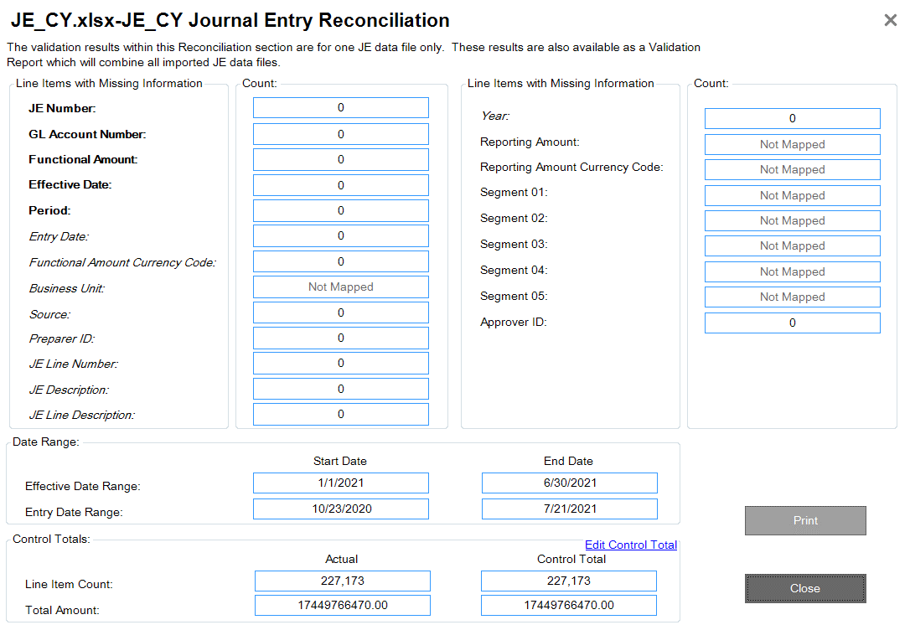
 | SET NOCOUNT ON;
 | SELECT JENumber, JELineNumber, GLAccountNumber, Debit, Credit, Amount INTO #tmp
 | FROM [655226C9-AD05-4E1E-813A-CD1357F7D52D_Import_CY_01].[dbo].[pbcJournalEntries]
 | WHERE Year = 2021 AND ABS(Amount) > 1291000000

 | SELECT *
 | FROM
 | (
 | SELECT
 | LVL3.GLAccountNumber1 AS GL_Account_Number,
 | MAX(LVL3.GLAccountName1) AS GL_ACcount_Name,
 | MAX(LVL3.AccountType1) AS Account_Type,
 | LVL3.DivideDC1 AS GL_Account_Position,
 | CASE
 | WHEN LVL3.GLAccountNumber1 = LVL3.GLAccountNumber2 and LVL3.DivideDC1 = LVL3.DivideDC2 THEN '1.Analysis Account'
 | WHEN LVL3.GLAccountNumber1 <> LVL3.GLAccountNumber2 and LVL3.DivideDC1 = LVL3.DivideDC2 THEN '3.Reference Account'
 | ELSE '2.Correspondent Account'
 | END AS Posting_Type,
 | LVL3.GLAccountNumber2 AS Analysis_GL_Account_Number,
 | MAX(LVL3.GLAccountName2) AS Analysis_GL_ACcount_Name,
 | MAX(LVL3.AccountType2) AS Analysis_Account_Type,
 | LVL3.DivideDC2 AS Analysis_Position,
 | SUM(LVL3.SumOfDebit2) AS Sum_Of_Debit_Amount,
 | SUM(LVL3.SumOfCredit2) AS Sum_Of_Credit_Amount,
 | SUM(LVL3.Cnt2) AS JE_Line_Count
 | FROM
 | (
 | SELECT *
 | FROM
 | (
 | SELECT
 | LVL1_1.JENumber1,
 | LVL1_1.GLAccountNumber1,
 | MAX(LVL1_1.CoA_GLAccountName1) AS GLAccountName1,
 | MAX(LVL1_1.AccountType1) AS AccountType1,
 | SUM(LVL1_1.Debit1) AS SumOfDebit1,
 | SUM(LVL1_1.Credit1) AS SumOfCredit1,
 | DivideDC1,
 | COUNT(*) AS Cnt1
 | FROM
 | (
 | SELECT
 | #tmp.JENumber AS JENumber1,
 | #tmp.GLAccountNumber AS GLAccountNumber1,
 | CoA.GLAccountNumber AS CoA_GLAccountNumber1,
 | CoA.GLAccountName AS CoA_GLAccountName1,
 | CoA.AccountType AS AccountType1,
 | #tmp.Debit AS Debit1,
 | #tmp.Credit AS Credit1,
 | #tmp.Amount AS Amount1,
 | CASE
 | WHEN #tmp.Debit = 0 THEN 'Credit' ELSE 'Debit'
 | END AS 'DivideDC1'
 | FROM #tmp, [655226C9-AD05-4E1E-813A-CD1357F7D52D_Import_CY_01].[dbo].[pbcChartOfAccounts] CoA
 | WHERE #tmp.GLAccountNumber = CoA.GLAccountNumber
 | ) LVL1_1
 | GROUP BY LVL1_1.JENumber1, LVL1_1.GLAccountNumber1, LVL1_1.DivideDC1
 | ) LVL2_1,
 | (
 | SELECT
 | LVL1_2.JENumber2,
 | LVL1_2.GLAccountNumber2,
 | MAX(LVL1_2.CoA_GLAccountName2) AS GLAccountName2,
 | MAX(LVL1_2.AccountType2) AS AccountType2,
 | SUM(LVL1_2.Debit2) AS SumOfDebit2,
 | SUM(LVL1_2.Credit2) AS SumOfCredit2,
 | DivideDC2,
 | COUNT(*) AS Cnt2
 | FROM
 | (
 | SELECT #tmp.JENumber AS JENumber2,
 | #tmp.GLAccountNumber AS GLAccountNumber2,
 | CoA.GLAccountNumber AS CoA_GLAccountNumber2,
 | CoA.GLAccountName AS CoA_GLAccountName2,
 | CoA.AccountType AS AccountType2,
 | #tmp.Debit AS Debit2,
 | #tmp.Credit AS Credit2,
 | #tmp.Amount AS Amount2,
 | CASE
 | WHEN #tmp.Debit = 0 THEN 'Credit' ELSE 'Debit'
 | END AS 'DivideDC2'
 | FROM #tmp, [655226C9-AD05-4E1E-813A-CD1357F7D52D_Import_CY_01].[dbo].[pbcChartOfAccounts] CoA
 | WHERE #tmp.GLAccountNumber = CoA.GLAccountNumber
 | ) LVL1_2
 | GROUP BY LVL1_2.JENumber2, LVL1_2.GLAccountNumber2, LVL1_2.DivideDC2
 | ) LVL2_2
 | WHERE LVL2_1.JENumber1 = LVL2_2.JENumber2
 | ) LVL3
 | GROUP BY LVL3.GLAccountNumber1, LVL3.DivideDC1, LVL3.GLAccountNumber2, LVL3.DivideDC2
 | ) LVL4
 | WHERE LVL4.GL_Account_Position IN ('Credit','Debit')
 | AND LVL4.GL_Account_Number IN ('711101','711102','711105','711107','711188','711106','711110','711109')
 | AND LVL4.Analysis_GL_Account_Number NOT IN ('211301','211302','211303','211304','211305','211306','211307','211309','211310','211311','211312','211313','211314','211315','211388','240001')
 | AND LVL4.Analysis_Position IN ('Credit','Debit')
 | AND LVL4.Posting_Type = '2.Correspondent Account'
 | ORDER BY LVL4.GL_Account_Number, LVL4.GL_Account_Position, LVL4.Posting_Type, LVL4.Analysis_GL_Account_Number
 | DROP TABLE #tmp

 | ---Filtered Ref Scenario02---

 | SET NOCOUNT ON;
 | SELECT JENumber, JELineNumber, GLAccountNumber, Debit, Credit, Amount INTO #tmp
 | FROM [655226C9-AD05-4E1E-813A-CD1357F7D52D_Import_CY_01].[dbo].[pbcJournalEntries]
 | WHERE Year = 2021 AND ABS(Amount) > 1291000000

 | SELECT *
 | FROM
 | (
 | SELECT
 | LVL3.GLAccountNumber1 AS GL_Account_Number,
 | MAX(LVL3.GLAccountName1) AS GL_ACcount_Name,
 | MAX(LVL3.AccountType1) AS Account_Type,
 |  | MAX(LVL3.AccountClass1) AS Account_Class,
 | LVL3.DivideDC1 AS GL_Account_Position,
 | CASE
 | WHEN LVL3.GLAccountNumber1 = LVL3.GLAccountNumber2 and LVL3.DivideDC1 = LVL3.DivideDC2 THEN '1.Analysis Account'
 | WHEN LVL3.GLAccountNumber1 <> LVL3.GLAccountNumber2 and LVL3.DivideDC1 = LVL3.DivideDC2 THEN '3.Reference Account'
 | ELSE '2.Correspondent Account'
 | END AS Posting_Type,
 | LVL3.GLAccountNumber2 AS Analysis_GL_Account_Number,
 | MAX(LVL3.GLAccountName2) AS Analysis_GL_ACcount_Name,
 | MAX(LVL3.AccountType2) AS Analysis_Account_Type,
 |  | MAX(LVL3.AccountClass2) AS Analysis_Account_Class,
 | LVL3.DivideDC2 AS Analysis_Position,
 | SUM(LVL3.SumOfDebit2) AS Sum_Of_Debit_Amount,
 | SUM(LVL3.SumOfCredit2) AS Sum_Of_Credit_Amount,
 | SUM(LVL3.Cnt2) AS JE_Line_Count
 | FROM
 | (
 | SELECT *
 | FROM
 | (
 | SELECT
 | LVL1_1.JENumber1,
 | LVL1_1.GLAccountNumber1,
 | MAX(LVL1_1.CoA_GLAccountName1) AS GLAccountName1,
 | MAX(LVL1_1.AccountType1) AS AccountType1,
 |  |  | MAX(LVL1_1.AccountClass1) AS AccountClass1,
 | SUM(LVL1_1.Debit1) AS SumOfDebit1,
 | SUM(LVL1_1.Credit1) AS SumOfCredit1,
 | DivideDC1,
 | COUNT(*) AS Cnt1
 | FROM
 | (
 | SELECT
 | #tmp.JENumber AS JENumber1,
 | #tmp.GLAccountNumber AS GLAccountNumber1,
 | CoA.GLAccountNumber AS CoA_GLAccountNumber1,
 | CoA.GLAccountName AS CoA_GLAccountName1,
 | CoA.AccountType AS AccountType1,
 |  |  |  | CoA.AccountClass AS AccountClass1,
 | #tmp.Debit AS Debit1,
 | #tmp.Credit AS Credit1,
 | #tmp.Amount AS Amount1,
 | CASE
 | WHEN #tmp.Debit = 0 THEN 'Credit' ELSE 'Debit'
 | END AS 'DivideDC1'
 | FROM #tmp, [655226C9-AD05-4E1E-813A-CD1357F7D52D_Import_CY_01].[dbo].[pbcChartOfAccounts] CoA
 | WHERE #tmp.GLAccountNumber = CoA.GLAccountNumber
 | ) LVL1_1
 | GROUP BY LVL1_1.JENumber1, LVL1_1.GLAccountNumber1, LVL1_1.DivideDC1
 | ) LVL2_1,
 | (
 | SELECT
 | LVL1_2.JENumber2,
 | LVL1_2.GLAccountNumber2,
 | MAX(LVL1_2.CoA_GLAccountName2) AS GLAccountName2,
 | MAX(LVL1_2.AccountType2) AS AccountType2,
 |  |  | MAX(LVL1_2.AccountClass2) AS AccountClass2,
 | SUM(LVL1_2.Debit2) AS SumOfDebit2,
 | SUM(LVL1_2.Credit2) AS SumOfCredit2,
 | DivideDC2,
 | COUNT(*) AS Cnt2
 | FROM
 | (
 | SELECT #tmp.JENumber AS JENumber2,
 | #tmp.GLAccountNumber AS GLAccountNumber2,
 | CoA.GLAccountNumber AS CoA_GLAccountNumber2,
 | CoA.GLAccountName AS CoA_GLAccountName2,
 | CoA.AccountType AS AccountType2,
 |  |  |  | CoA.AccountClass AS AccountClass2,
 | #tmp.Debit AS Debit2,
 | #tmp.Credit AS Credit2,
 | #tmp.Amount AS Amount2,
 | CASE
 | WHEN #tmp.Debit = 0 THEN 'Credit' ELSE 'Debit'
 | END AS 'DivideDC2'
 | FROM #tmp, [655226C9-AD05-4E1E-813A-CD1357F7D52D_Import_CY_01].[dbo].[pbcChartOfAccounts] CoA
 | WHERE #tmp.GLAccountNumber = CoA.GLAccountNumber
 | ) LVL1_2
 | GROUP BY LVL1_2.JENumber2, LVL1_2.GLAccountNumber2, LVL1_2.DivideDC2
 | ) LVL2_2
 | WHERE LVL2_1.JENumber1 = LVL2_2.JENumber2
 | ) LVL3
 | GROUP BY LVL3.GLAccountNumber1, LVL3.DivideDC1, LVL3.GLAccountNumber2, LVL3.DivideDC2
 | ) LVL4
 | WHERE LVL4.GL_Account_Position ='Credit'
 | AND LVL4.GL_Account_Number IN ('211301','211302','211303','211304','211305','211306','211307','211309','211310','211311','211312','211313','211314','211315','211388','240001')
 | AND LVL4.Posting_Type = '2.Correspondent Account'
 | ORDER BY LVL4.GL_Account_Number, LVL4.GL_Account_Position, LVL4.Posting_Type, LVL4.Analysis_GL_Account_Number

 | DROP TABLE #tmp

